Marketing research
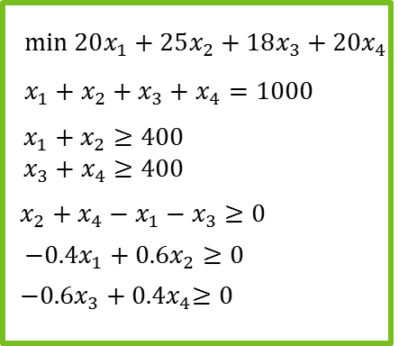
Dec. Vars. | DayC (x1) | EveC (x2) | DayNC (x3) | EveNC (x4)
# of interviews | 240 | 160 | 240 | 360

Obj. ( Min)
Costs | 20 | 25 | 18 | 20 | 20320
Constraints
Total | 1 | 1 | 1 | 1 | 1000 | = | 1000
Children | 1 | 1 | 0 | 0 | 400 | >= | 400
No children | 0 | 0 | 1 | 1 | 600 | >= | 400
Evening | -1 | 1 | -1 | 1 | 40 | >= | 0
Children in evening | -0.4 | 0.6 | 0 | 0 | 0 | >= | 0
No children in evening | 0 | 0 | -0.6 | 0.4 | 0 | >= | 0

Decision variables
Parameters
Formulas

